1.MOTOR DATA
 | MOTOR DATA |  | CURVES
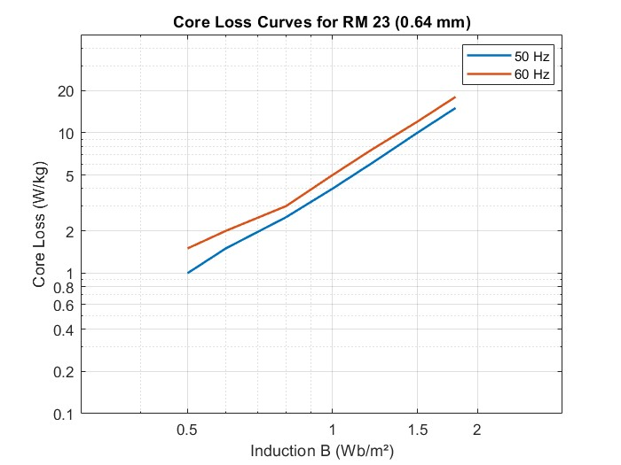
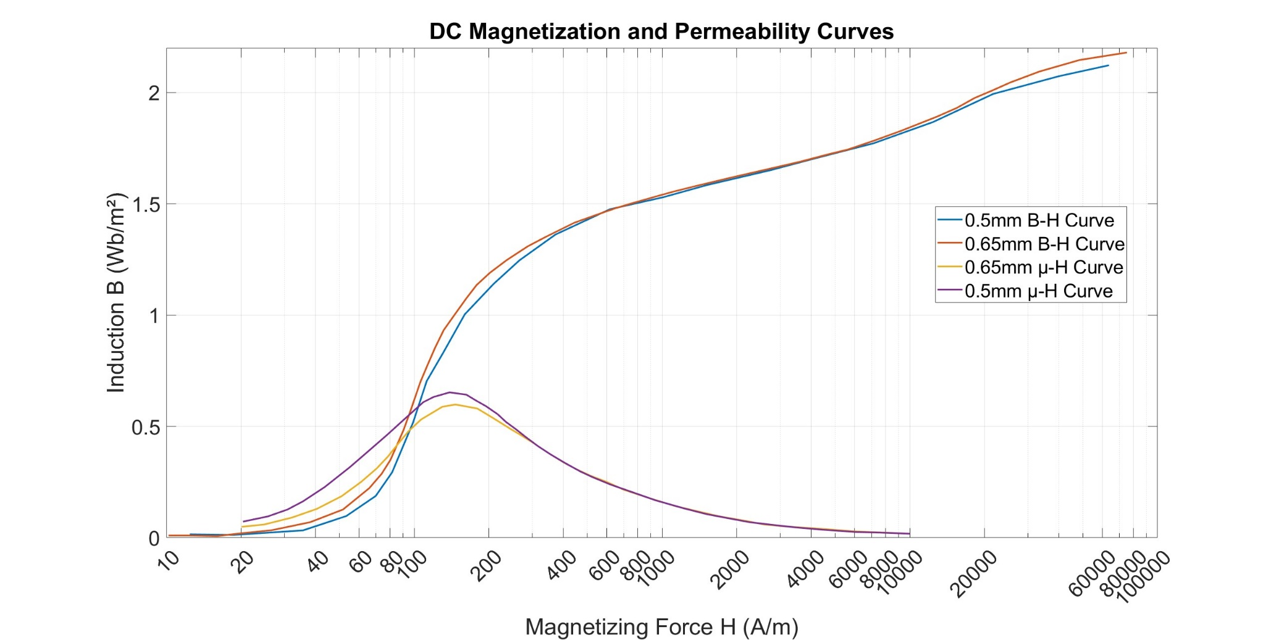
 | Number of phases (q) | 3
 | Frequency (Hz) | 50
 | Number of poles | 2

 | Connection type | Delta
 | Line voltage (V) | 380
 | Power (kW) | 37
 | Synchronous speed (rpm) | 3000

 | Rotor slot | 40
 | Stator slot | 36
 | Conductor per slot | 22
 | Parallel path | 2
 | Coil pitch | 15
 | Wire size (mm^2) | 5.5

 | Frame type | 200/2
 | Lc (mm) | 250
 | Air gap (cm) | 0.75
End Ring | h (mm) | 24.2 | DIMENTIONS
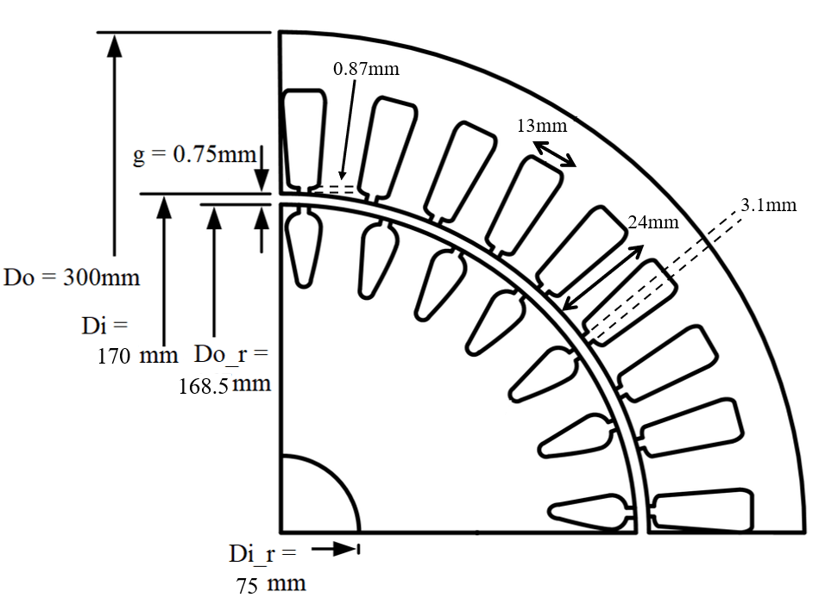
 | Do (mm) | 167
 | di (mm) | 103
 | Inertia (Kgm^2) | 0.13

Stator | Do (mm) | 300
 | Di (mm) | 170
 | Slot width (mm) | 13
 | Slot height (mm) | 24
 | Tip width (mm) | 3.1
 | Tip height (mm) | 0.87

Rotor | Do_r (mm) | 300
 | Di (mm) | 170
 | Slot width (mm) | 13
 | Slot height (mm) | 24

2.TEST DATA
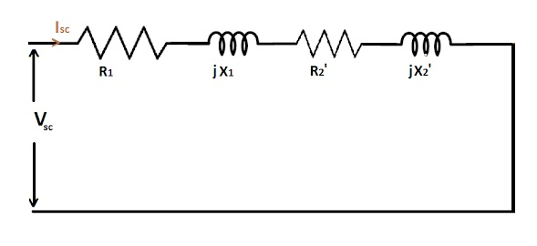
 |  |  | SCHEMATICS
 | TEST DATA

Short Circuit Test | Voltage (V) | 54
 | Current (A) | 70
 | Real Power (P) | 2862
 | Reactive Power (Q) | 5910

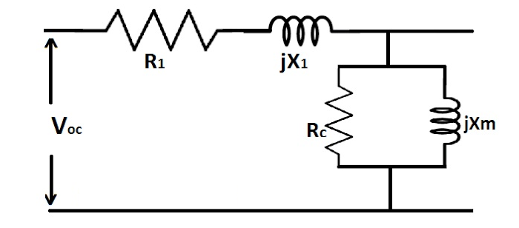

Open Circuit Test | Voltage (V) | 380
 | Current (A) | 17.5
 | Real Power (P) | 2640
 | Reactive Power (Q) | 11300
 | Resistane (Ω) | 0.102

5.PERFORMANCE
 | PERFORMANCE |  |  |  |  |  |  |  |  |  |  | Since parameters calculated from motor data deviates from the parameters calculated from the test data, the performance of the analytical calculations are less than the test results.

 | Torque & Speed Characteristic (Test Data) |  |  |  |  |  | Torque & Speed Characteristic (Motor Data)

Input Current vs. Speed
Input Current vs. Speed
 | Speed (rpm) | Slip | Current I'2 (A) | Torque (Nm) | Power (kW) |  | Speed (rpm) | Slip | Current I'2 (A) | Torque (Nm) | Power (kW)
 | 0 | 1 | 75.465398796 | 26.970130623 | 0 |  | 0 | 1 | 165.0159656 | 153.66264514 | 0
 | 50 | 0.98333333333 | 75.449064614 | 27.415379729 | 0.14354659259 |  | 50 | 0.98333333333 | 164.78311472 | 155.82639687 | 0.81590510607
 | 100 | 0.96666666667 | 75.431957348 | 27.875413488 | 0.29191064744 |  | 100 | 0.96666666667 | 164.54001196 | 158.04569866 | 1.6550506862
 | 150 | 0.95 | 75.414025544 | 28.350971746 | 0.4453360228 |  | 150 | 0.95 | 164.28603683 | 160.32235199 | 2.518337616
 | 200 | 0.93333333333 | 75.395213325 | 28.842843873 | 0.60408310946 |  | 200 | 0.93333333333 | 164.02052148 | 162.6582048 | 3.4067054749
 | 250 | 0.91666666667 | 75.375459935 | 29.351872909 | 0.76843023583 |  | 250 | 0.91666666667 | 163.74274637 | 165.05514874 | 4.3211336892
 | 300 | 0.9 | 75.354699207 | 29.878960133 | 0.93867521651 |  | 300 | 0.9 | 163.4519355 | 167.51511527 | 5.2626425549
 | 350 | 0.88333333333 | 75.332858977 | 30.425070088 | 1.1151370612 |  | 350 | 0.88333333333 | 163.14725108 | 170.04007066 | 6.2322940962
 | 400 | 0.86666666667 | 75.30986041 | 30.991236129 | 1.2981578633 |  | 400 | 0.86666666667 | 162.82778768 | 172.63200952 | 7.2311927052
 | 450 | 0.85 | 75.28561725 | 31.578566554 | 1.4881048905 |  | 450 | 0.85 | 162.49256572 | 175.29294658 | 8.2604854979
 | 500 | 0.83333333333 | 75.260034951 | 32.188251384 | 1.6853729014 |  | 500 | 0.83333333333 | 162.14052418 | 178.02490645 | 9.3213623043
 | 550 | 0.81666666667 | 75.23300971 | 32.821569875 | 1.890386718 |  | 550 | 0.81666666667 | 161.7705126 | 180.82991093 | 10.415055195
 | 600 | 0.8 | 75.20442734 | 33.479898848 | 2.1036040853 |  | 600 | 0.8 | 161.38128208 | 183.70996333 | 11.542837424
 | 650 | 0.78333333333 | 75.174162004 | 34.164721951 | 2.3255188557 |  | 650 | 0.78333333333 | 160.9714753 | 186.6670293 | 12.706021638
 | 700 | 0.76666666667 | 75.142074747 | 34.877639956 | 2.5566645408 |  | 700 | 0.76666666667 | 160.53961539 | 189.70301351 | 13.905957184
 | 750 | 0.75 | 75.108011814 | 35.620382235 | 2.7976182787 |  | 750 | 0.75 | 160.08409344 | 192.81973125 | 15.144026279
MAX TORQUE
 | 800 | 0.73333333333 | 75.071802717 | 36.39481956 | 3.0490052735 |  | 800 | 0.73333333333 | 159.60315457 | 196.01887421 | 16.421638805
Torque vs. Speed
MAX TORQUE
 | 850 | 0.71666666667 | 75.033257989 | 37.202978412 | 3.3115037707 |  | 850 | 0.71666666667 | 159.09488237 | 199.30196899 | 17.740225379
Torque vs. Speed
 | 900 | 0.7 | 74.992166587 | 38.047056983 | 3.5858506413 |  | 900 | 0.7 | 158.55718143 | 202.67032728 | 19.101228339
 | 950 | 0.68333333333 | 74.948292869 | 38.929443103 | 3.8728476612 |  | 950 | 0.68333333333 | 157.98775771 | 206.12498592 | 20.506090147
 | 1000 | 0.66666666667 | 74.901373069 | 39.852734355 | 4.1733685825 |  | 1000 | 0.66666666667 | 157.3840966 | 209.66663486 | 21.95623866
 | 1050 | 0.65 | 74.851111159 | 40.819760661 | 4.4883671075 |  | 1050 | 0.65 | 156.7434382 | 213.29553087 | 23.453068549
 | 1100 | 0.63333333333 | 74.797173999 | 41.833609677 | 4.8188858973 |  | 1100 | 0.63333333333 | 156.06274956 | 217.01139409 | 24.997918052
 | 1150 | 0.61666666667 | 74.739185607 | 42.897655371 | 5.1660667605 |  | 1150 | 0.61666666667 | 155.33869349 | 220.81328428 | 26.592040016
 | 1200 | 0.6 | 74.676720375 | 44.015590204 | 5.5311621931 |  | 1200 | 0.6 | 154.56759344 | 224.69945277 | 28.236566003
 | 1250 | 0.58333333333 | 74.609295006 | 45.191461389 | 5.9155484628 |  | 1250 | 0.58333333333 | 153.74539401 | 228.66716552 | 29.932461972
 | 1300 | 0.56666666667 | 74.536358881 | 46.429711753 | 6.3207404586 |  | 1300 | 0.56666666667 | 152.86761655 | 232.71249191 | 31.680473716
 | 1350 | 0.55 | 74.457282517 | 47.735225754 | 6.7484085545 |  | 1350 | 0.55 | 151.92930918 | 236.83005265 | 33.48105991
 | 1400 | 0.53333333333 | 74.371343647 | 49.11338128 | 7.2003977651 |  | 1400 | 0.53333333333 | 150.92499078 | 241.01271932 | 35.334310127
 | 1450 | 0.51666666667 | 74.27771038 | 50.57010784 | 7.6787494986 |  | 1450 | 0.51666666667 | 149.84858797 | 245.25125656 | 37.239844718
 | 1500 | 0.5 | 74.175420699 | 52.111951743 | 8.185726238 |  | 1500 | 0.5 | 148.69336471 | 249.53389663 | 39.196692823
 | 1550 | 0.48333333333 | 74.063357396 | 53.746148803 | 8.7238394889 |  | 1550 | 0.48333333333 | 147.45184355 | 253.84583427 | 41.203144085
 | 1600 | 0.46666666667 | 73.940217222 | 55.480704901 | 9.2958813298 |  | 1600 | 0.46666666667 | 146.11571808 | 258.16862829 | 43.256568855
 | 1650 | 0.45 | 73.804472735 | 57.324484395 | 9.9049598476 |  | 1650 | 0.45 | 144.67575584 | 262.47949446 | 45.353200834
 | 1700 | 0.43333333333 | 73.654324798 | 59.287305742 | 10.554538636 |  | 1700 | 0.43333333333 | 143.1216915 | 266.75047281 | 47.487875125
Power vs. Speed
 | 1750 | 0.41666666667 | 73.487643065 | 61.380042684 | 11.248480318 |  | 1750 | 0.41666666667 | 141.4421101 | 270.94745118 | 49.653713791
 | 1800 | 0.4 | 73.301890929 | 63.614727591 | 11.991093652 |  | 1800 | 0.4 | 139.62432096 | 275.02902642 | 51.841750136
Power vs. Speed
 | 1850 | 0.38333333333 | 73.094030185 | 66.00465082 | 12.787183111 |  | 1850 | 0.38333333333 | 137.65422337 | 278.94518559 | 54.040482325
 | 1900 | 0.36666666667 | 72.860399059 | 68.56444544 | 13.642098679 |  | 1900 | 0.36666666667 | 135.51616635 | 282.63579228 | 56.235346816
 | 1950 | 0.35 | 72.596554941 | 71.310139543 | 14.561781683 |  | 1950 | 0.35 | 133.19280643 | 286.02886975 | 58.408102734
 | 2000 | 0.33333333333 | 72.297070011 | 74.259146901 | 15.552799358 |  | 2000 | 0.33333333333 | 130.66496926 | 289.03868367 | 60.536120347
 | 2050 | 0.31666666667 | 71.955263449 | 77.430148409 | 16.622355669 |  | 2050 | 0.31666666667 | 127.91152419 | 291.56364583 | 62.591570867
 | 2100 | 0.3 | 71.56284757 | 80.842787346 | 17.778257478 |  | 2100 | 0.3 | 124.9092844 | 293.48408859 | 64.540521966
 | 2150 | 0.28333333333 | 71.109456226 | 84.517054146 | 19.028801209 |  | 2150 | 0.28333333333 | 121.63295052 | 294.66000195 | 66.341954983
 | 2200 | 0.26666666667 | 70.582010896 | 88.472159791 | 20.382522398 |  | 2200 | 0.26666666667 | 118.05512171 | 294.92888506 | 67.946737366
 | 2250 | 0.25 | 69.963861518 | 92.724572851 | 21.847712766 |  | 2250 | 0.25 | 114.14640599 | 294.10394487 | 69.296609444
 | 2300 | 0.23333333333 | 69.233613078 | 97.284693505 | 23.431547346 |  | 2300 | 0.23333333333 | 109.87567013 | 291.97298048 | 70.32327974
 | 2350 | 0.21666666667 | 68.363512574 | 102.15131064 | 25.138561554 |  | 2350 | 0.21666666667 | 105.21047845 | 288.29842115 | 70.947769151
 | 2400 | 0.2 | 67.317221997 | 107.30246092 | 26.968049834 |  | 2400 | 0.2 | 100.11777822 | 282.81913246 | 71.080200707
 | 2450 | 0.18333333333 | 66.046741434 | 112.68047353 | 28.909685408 |  | 2450 | 0.18333333333 | 94.564894356 | 275.25475077 | 70.620294737
 | 2500 | 0.16666666667 | 64.488181629 | 118.1677102 | 30.936234189 |  | 2500 | 0.16666666667 | 88.520894388 | 265.31341621 | 69.458889937
 | 2550 | 0.15 | 62.556051915 | 123.54771306 | 32.991609956 |  | 2550 | 0.15 | 81.958371727 | 252.7037921 | 67.480852027
 | 2600 | 0.13333333333 | 60.135826396 | 128.44438907 | 34.971728921 |  | 2600 | 0.13333333333 | 74.855664883 | 237.15210429 | 64.569726747
 | 2650 | 0.11666666667 | 57.075025699 | 132.23083757 | 36.695029463 |  | 2650 | 0.11666666667 | 67.199477054 | 218.42451091 | 60.614407431
 | 2700 | 0.1 | 53.174452574 | 133.90394193 | 37.860447624 |  | 2700 | 0.1 | 58.987781267 | 196.35433649 | 55.517880691
 | 2750 | 0.083333333333 | 48.184574998 | 131.94247261 | 37.996704411 |  | 2750 | 0.083333333333 | 50.232793602 | 170.87254323 | 49.20775993
 | 2800 | 0.066666666667 | 41.818657606 | 124.22778492 | 36.425489005 |  | 2800 | 0.066666666667 | 40.963683931 | 142.03835924 | 41.647822154
 | 2850 | 0.05 | 33.803571046 | 108.2287062 | 32.300998289 |  | 2850 | 0.05 | 31.228595497 | 110.06551629 | 32.849196651
 | 2900 | 0.033333333333 | 23.992188289 | 81.780221768 | 24.835613912 |  | 2900 | 0.033333333333 | 21.095498782 | 75.338544583 | 22.879358426
 | 2950 | 0.016666666667 | 12.531959097 | 44.624821801 | 13.785646213 |  | 2950 | 0.016666666667 | 10.651451325 | 38.413616764 | 11.866860395
Synchronous speed | 3000 | 0 | 7.6624503173E-13 | 2.7804984048E-21 | 8.7351933618E-22 | Synchronous speed | 3000 | 0 | 6.4304089401E-05 | 0.00023334234608 | 7.3306660023E-05

